6-8.Ingre&Nutrition&Allergens
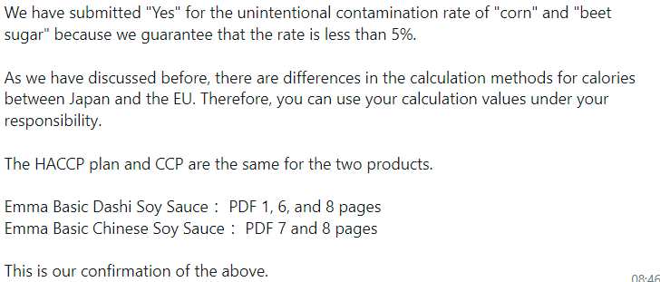
6.Product Composition
Ingredients |  | Components |  | % Composition | Supplier Names | Country of Origin | Genetically modified?
(Including E numbers and *functions for additives) |  | (if ingredient is composed of several sub-ingredients) |  | (Please list the ingredients in descending order) | (Please list all suppliers per ingredient)
Soy Sauce |  | Water, Soybeans, Salt, Corn |  | 40.00% | Ichibiki | Japan | NO
Water |  | - |  | 33.60% | Local Public Water | Japan | NO
Sugar |  | - |  | 20.00% | Nisshinseito | Japan | NO (Sugar Beet)
Salt |  | - |  | 3.00% | Nihonkaisui | Japan | NO
Yeast Extract |  | - |  | 2.00% | Mitsubishi Shoji Life Science | Japan | NO
Dried Kelp Stock |  | - |  | 0.70% | Kinkaishokuhin | Japan | NO
Dried Shiitake Mushroom Stock |  | - |  | 0.70% | Sugimotoshoten, Kashii | Japan | NO
 |  |  | Total | 100.00%
*Please choose the functional of food additives from below: sweeteners / colours / preservatives / antioxidants / carriers / acids / acidity regulators / anti-caking agents / anti-foaming agents / bulking agents / bulking agents / emulsifiers / emulsifying salts / firming agents / flavor enhancers / foaming agents / gelling agents / glazing agents / humectants / modified starches / packaging gases / propellants / raising agents / sequestrants / stabilisers / thickeners / flour treatment agents / contrast enhancers

Are Genetically Modified Organisms handled on manufacturing site? |  |  |  |  | No
Is GMO free certificate available for the ingredients at GMO risk? |  |  |  |  | Yes (Sugar Beet)
7.Nutritional Information |  | * Not Mandatory
Typical Values (g) |  | Per 100g/100ml
Energy (Kcal/KJ) |  | Kcal: 150 Kcal KJ: 630 KJ |  | Calculated value. Manufacturer's nutrition report KJ, Kcal do not align
Fat |  | 0.1 g
of which saturate fat |  | 0 g
of which monounsaturated fat* |  | -
of which, polyunsaturated fat* |  | -
Carbohydrate |  | 30.9 g
of which sugar |  | 27.0 g
of which Polyols* |  | -
of which starch* |  | -
Fibre* |  | -
Protein |  | 6.0 g
Salt |  | 11.8 g |  | Sodium in mg x 2.5 /1000 = salt in g
NOTE: Must attach lab analyses report
8.The fourteen Allergens – Regulation (EU) No 1169/2011
 | Potential Component |  |  | Product contains? | in which ingredient? | Handled on manufacturing site? | Risk of Cross Contamination
 | *Please tick in the box |  |  | Yes/No |  | Yes/No | Yes/No
01 | Cereals containing gluten including wheat, Rye, Barley, Oats, Spelt & Khorasan and products thereof: |  |  | No | - | Yes | No
02 | Crustaceans and products thereof: |  |  | No | - | No | No
03 | Fish and products thereof: |  |  | No | - | Yes | No
04 | Molluscs and products thereof: |  |  | No | - | Yes | No
05 | Peanuts and products thereof: |  |  | No | - | No | No
06 | Soybeans and products thereof: |  |  | Yes | Soy Sauce | Yes | No
07 | Milk and products thereof: |  |  | No | - | No | No
08 | Nuts and products thereof: |  |  | No | - | No | No
09 | Celery and products thereof: |  |  | No | - | No | No
10 | Mustard and products thereof: |  |  | No | - | Yes | No
11 | Sesame seeds and products thereof: |  |  | No | - | Yes | No
12 | Sulphur Dioxide or Sulphites: |  |  | No | - | Yes | No
13 | Lupin and products thereof: |  |  | No | - | No | No
14 | Egg and products thereof: |  |  | No | - | No | No

9-13.Quality Attributes
9.Chemical Standard
Test Item |  | EU MRL standard/Recommendation | Country of Origin MRL Standard | Test Frequency
pH |  |  | Company standard 4.6-5.4 | Every Production
Salt |  |  | Company standard 11.5-13.1 | Every Production
Other |  |  | Brix: Company standard 42.4-46.4 | Every Production
10.Acrylamide
Are Products at risk of acrylamide? |  |  |  |  | No
If Yes. What mitigation measures are in place to manage acrylamide levels with the food? |  |  |  |  | -
11.Radioactivity | *occurs naturally in all food and can be transferred into food in different ways eg crops from soil, drinking water from the earth, Fish and Shellfish from the water or Sea floor.
Has the product/ingredient been irradiated? |  |  |  |  | No
Is the product/ingredient subject to potential radioactive cross contamination? |  |  |  |  | No
If yes, what controls in place |  |  |  |  | -
Has the product/ingredient been imported into the UK from a country that has high levels of radioactivity? |  |  |  |  | No
If Yes, how is this controlled and what checks are carried out? |  |  |  |  | -
12.Microbiology Standards | *Please insert GB standard
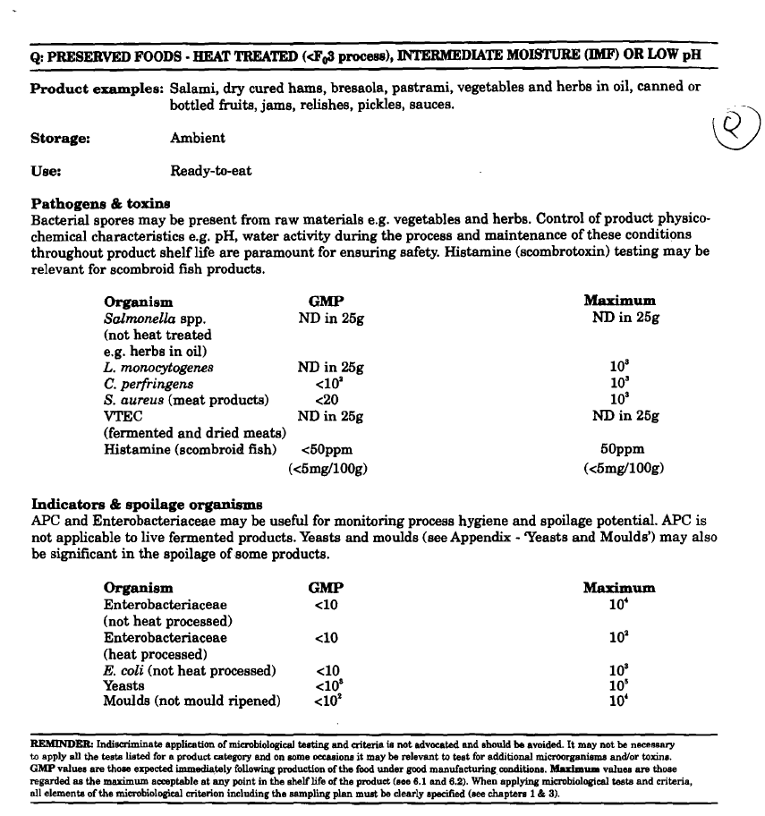
Micro-organisms | Type | EU satisfactory in ready to eat | Country of Origin Standard | Manufacturer Standard | COA
TVC | Quality Indicator | <104 | No Standard | ─ | No Test | *please clarify by filling in how many samples per day/PO rather than by each lot
Escherichia coli | Hygiene indicator | <20 | No Standard | ─ | No Test
Enterobacteriaceae | Hygiene indicator | <100 | No Standard | ─ | No Test
Listeria spp | Hygiene indicator | Not Detected | No Standard | ─ | No Test
Listeria monocytogenes | Pathogens | Not Detected | No Standard | ─ | No Test
Campylobacter spp. | Pathogens | Not Detected | No Standard | ─ | No Test
Escherichia coli O157 | Pathogens | Not Detected | No Standard | ─ | No Test
Salmonella spp. | Pathogens | Not Detected | No Standard | ─ | No Test
Shigella spp. | Pathogens | Not Detected | No Standard | ─ | No Test
Vibrio cholera (O1 and O139) | Pathogens | Not Detected | No Standard | ─ | No Test
Vibrio parahaemolyticus | Pathogens | <20 | No Standard | ─ | No Test
Bacillus cereus | Pathogens | <103 | No Standard | ─ | No Test
Bacillus spp. | Pathogens | <103 | No Standard | ─ | No Test
Clostridium perfringens | Pathogens | <10 | No Standard | ─ | No Test
Staphylococcus aureus and other coagulase-positive staphylococci | Pathogens | <20 | No Standard | ─ | No Test
13.Acceptance and Rejection standard
Standard Product Photo & Description |  | Rejected Product Photo& Description
IE. Grading, Sizing, Appearance, Flavor/taste, Texture, Colour, smell |  | IE. Grading, Sizing, Appearance, Flavor/taste, Texture, Colour, smell
1. Flavor/taste: Same as product sample 2. Color: #21-39 as Soysauce color standard Both are tested at product analyzing. |  | Changes in color, flavor, and aroma within normal ranges due to the passage of expiration date, storage conditions, and transportation are not eligible for rejection. Additionally, please note that this product is free from preservatives, amino acid seasonings, and alcohol, which may cause it to deteriorate more quickly than products containing additives.

14-16.Quantity&packaging info
14.Quantity Attributes
 | Unit (g) | Case (kg)
Unit Drained Weight (If Product contains liquid) | N/A | N/A
Net Weight | 243 | 5.64
Gross Weight | 258 | 6.2
Is the product packed in a Protective atmosphere? (if yes, indicate the composition on gases used if applicable) |  |  |  | No
Is the product vacuum packed? |  |  |  | No
Primary Package Plastic Material Comply with Commission Regulation (EU) No 10/2011 |  |  |  | Yes
15.Packaging Weight Dimensions
 | Description/Color | Materials *please indicate the plastic material from below 01-07 | Weight (g) | Dimensions (mm)

Primary： | Product packaging | PE/PAPER/PE/AL/PET/PE | 14 | L | 50
 |  |  |  | W | 50
 |  |  |  | H | 120
Secondary: | Outer packaging/brown | Cardboard box. | 305 | L | 315
 |  |  |  | W | 220
 |  |  |  | H | 148
Tertiary: | CAP/SPOUT | PP/LDPE | 1 | L
 |  |  |  | W
 |  |  |  | H

16.Pallet Configuration
 | JP Pallet Configuration (1.1m x 1.1m) | EU Pallet Configuration (0.8m x 1.2m) | UK Pallet Configuration (1m x 1.2m)
Cases per layer | 16 | 12 | 16
Number of layers | 8 | 11 | 10
Cases/pallet | 128 | 132 | 160
Pallet height (m) | 1.184 | 1.628 | 1.48
Pallet weight (kg) | 793.6 | 818.4 | 992.0
20FCL Max Load without palletized | 2535
40FCL Max Load without palletized | 4358
Pallet Top-View |  | 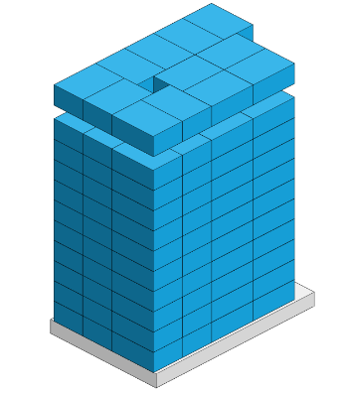
 | *pallet height must lower than 1.75m & weight under 1000kg

17-20.HACCP,Artwork&SpecAuthor.
17.Process Flow Chart- (showing all CCPs)
Please provide in the form a Critical Control Point (CCP), a description of the process/packing operations including processing times tempuratures where applicable and in process Safery Control Checks (CCP Summary) and Quality Checks.
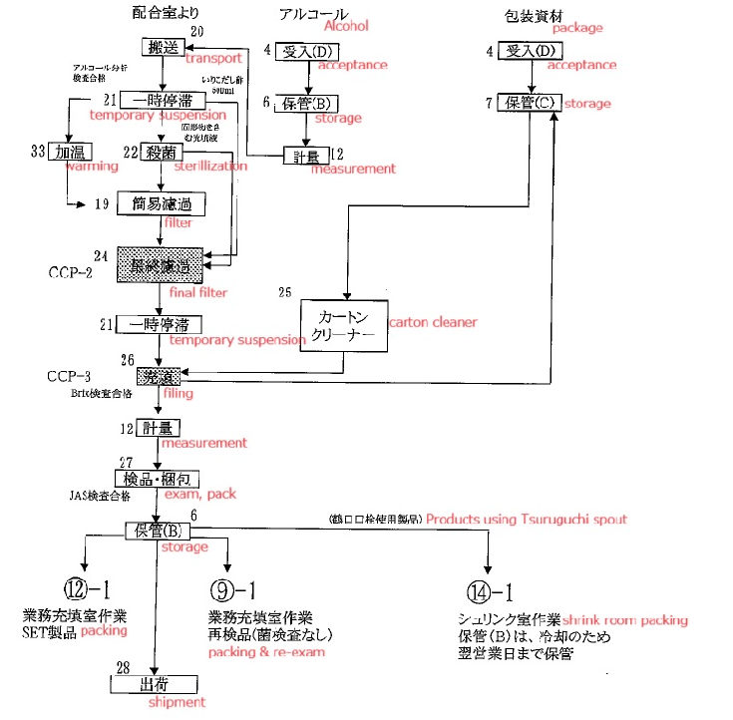 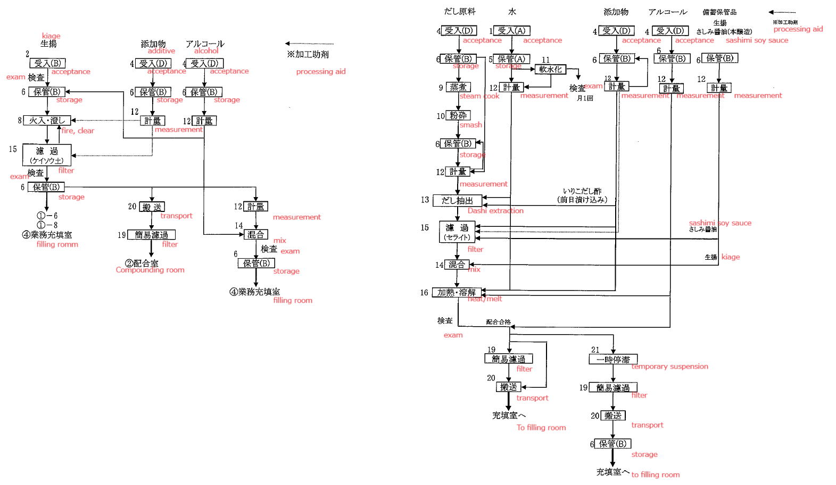

18.Critical Control Points
CCP | Control Measure |  | Critical Limit | Monitoring Frequency
Final filtration process | Go through strainer |  | No damage with the strainer | Before and after filling
Filling process | Liquid temperature in hopper tank |  | 75C (machine no.1,2) /77C (machine no.3) | Every 30 minutes
Filling process | Liquid temperature in hopper tank after re-start filling by sudden stop |  | 75C (machine no.1,2) /77C (machine no.3) | At re-start
Filling process | Liquid temperature in hopper tank before re-start filling by sudden stop |  | 77C (machine no.1,2) /79C (machine no.3) | At re-start
Filling process | Reject products (11 packs @ no.1,2 /15 packs @ no.3) |  | Reject incorrect temperature products. | At re-start
19.Artwork
Inner Label / Package Design artwork |  | Outer Label / Package Design artwork
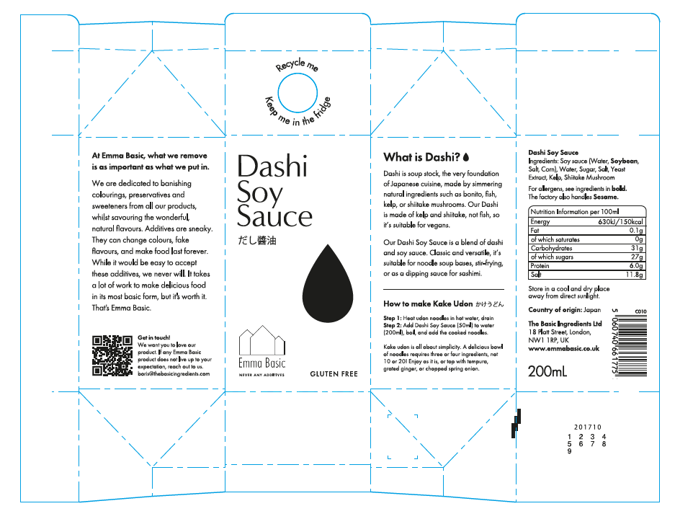 |  | 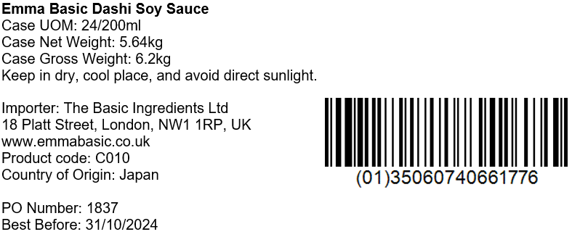

20.Packaging Photos
Finished Product with Primary package | Outer Case (Secondary) |  | Tertiary
 | 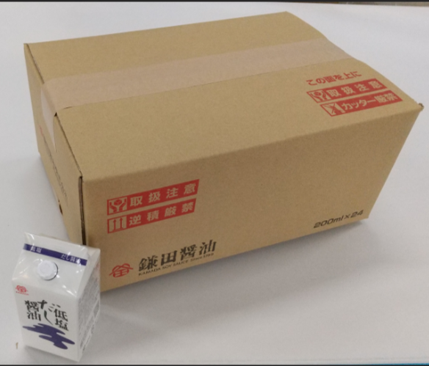 |  | N/A
Specification Authorization
1.Product to be supplied in accordance with this agreed specification. No changes are to be made without prior knowledge and prior written agreement of The Basic Ingredients Ltd technical department. 2.The contents of this specification are confidential and should not be disclosed to a third party without a written approval of The Basic Ingredients Ltd technical department.
Manufacturer Name | KAMADA SOY SAUCE Inc.
Signature | AIHARA TAKUYA
Print Name | AIHARA TAKUYA
Position in Company | Overseas sales representative
Date | 2023-04-03

For and on behalf of The Basic Ingredients Ltd:
Signature
Print Name | Nancy Deng
Position in Company | Technical Account Manager
Date | 2024-05-23

For and on behalf of Customer:
Signature
Print Name
Position in Company
Date

USP & Content verification
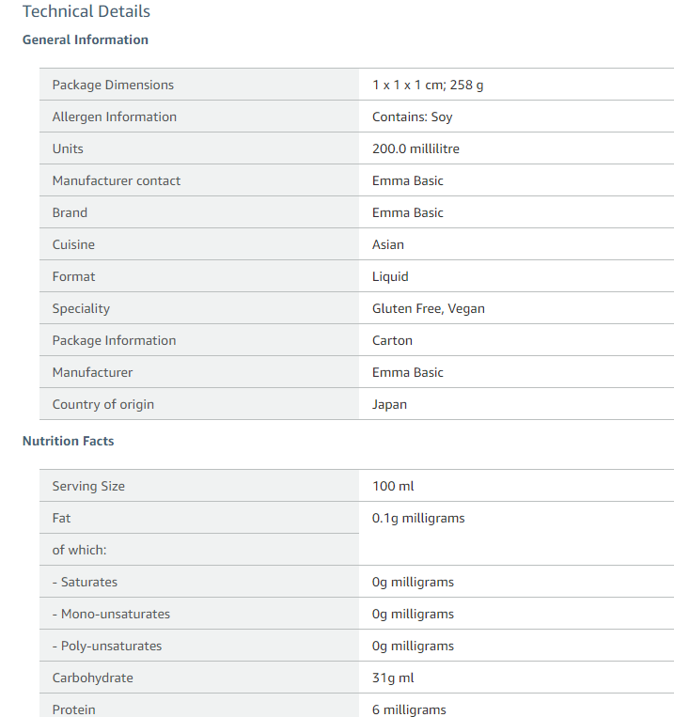
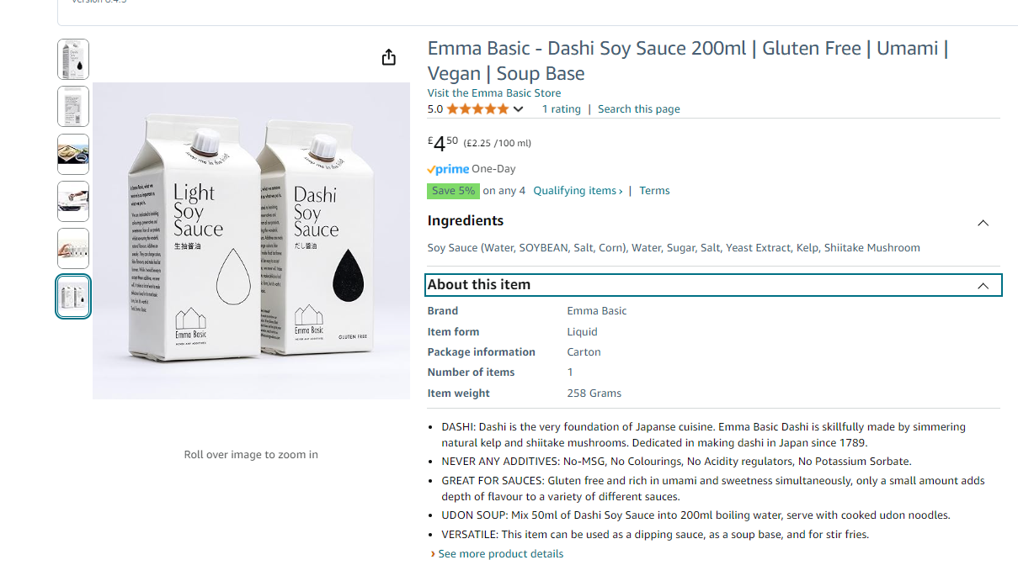
 | Requirement | Content | In conformity with requirement ? Name & verification date
Title | Comply with the complete title : Brand name +Product name+ 3 key words | Emma Basic - Dashi Soy Sauce 200ml | Gluten Free | Umami | Vegan | Soup Base | Made in Japan | Yes, Emma 13 July 2024/ NO, not maching any more 13 Sep 2024
USP No 1 | Match with approved spec | DASHI: Dashi is the very foundation of Japanse cuisine. Emma Basic Dashi is skillfully made by simmering natural kelp and shiitake mushrooms. Dedicated in making dashi in Japan since 1789. | Yes, Emma 13 July 2024
USP No 2 | Match with approved spec | NEVER ANY ADDITIVES: No-MSG No Colourings No Acidity regulators No Potassium Sorbate. | Yes, Emma 13 July 2024
USP No 3 | Match with approved spec | GREAT FOR SAUCES: Gluten free and rich in umami and sweetness simultaneously. only a small amount adds depth of flavour to a variety of different sauces. | Yes, Emma 13 July 2024
USP No 4 | Match with approved spec | UDON SOUP: Mix 50ml of Dashi Soy Sauce into 200ml boiling water, serve with cooked udon noodles. | Yes, Emma 13 July 2024
USP No 5 | Match with approved spec | VERSATILE: This item can be used as a dipping sauce, as a soup base, and for stir fries. | Yes, Emma 13 July 2024
Product Image | Hero front + Hero back + serving 1, 2, 3 + video 360 | Hero Back missing/ video 360 missing | NO
Ingredeints | Must mach with food labelling on the pack |  | Yes, Emma 13 July 2024
Nutrition | Must mach with food labelling on the pack | Protein is 6g not 6mg/ Fat is not o.1 mg but 0.1g | Yes, Emma 13 July 2024
Allergen & APL | Ingredients, Nutrition , Allergen match with declared food label |  | Yes, Emma 18 July 2024
Other Technical Details |  | Emma Basic | Yes, Emma 18 July 2024

